1. Title Page
[Market Analysis]

Project Name: Instacart Market Analysis
Date: 23/06/2024
Analyst Name: Oumaima Salmi
Based on “The Instacart Online Grocery Shopping Dataset 2017”, Accessed from www.instacart.com/datasets/grocery-shopping-2017 via Kaggle on the 03/06/2024.

Contents:
Population Flow
Consistency checks
Wrangling steps
Column derivations
Visualizations
Recommendations

2. Population Flow
 | Title page

Population flow

Exclusion flag
Condition: max_order <
Obervations to be removed:
Final total count of order_products_all:

Orders_products_combined
Orders_products_merged
Orders_products_cust_all_merged

Total: 32404859
Total: 32404859
Total:
32404859

1.) The grey boxes in the first row of the population flow represent the original data sets as they were when you downloaded them. In the Total fields you need to add the count of the rows when you imported the data set into Jupyter.
2.) The second row of boxes (coloured) represents the data sets after you manipulated them, e.g., removed missing values and duplicates. In the Total fields you need to add the count of the rows after conducting these operations. This offers a visual oveview of how the data flows throughout the data consistency checks.
3.) The third row, where also the arrows are coloured, represents the merges you performed between the datasets. In the Total fields you need to add the count of the rows in the merged datasets, so that you end up with the final dataset (in the red box). Keep in mind the final dataset should be without exclusions (based on the exclusion flag).

3. Consistency checks
 |  |  |  | Title page
Consistency checks

Dataset | Missing values | Missing values treatment | Duplicates
orders | days_since_prior_order | stayed as it means they are new customer | none
products | product_name (16) | replaced by missing value | none
orders_products_prior | none |  | none
customers | none

4. Wrangling steps
 |  |  |  | Title page
Wrangling steps

Columns dropped | Columns renamed | Columns' type changed | Comment/Reason
 | order_dow to orders_day_of_week |  | clarity
 | order_number to order_amount |  | clarity
 |  | order_id | from numeric values to text
 |  | user_id | from numeric values to text
 |  | order_day_of_week | from numeric values to text
 |  | product_id | from numeric values to text
 |  | aisle_id | from numeric values to text
 |  | department_id | from numeric values to text
surname |  |  | data privacy
first_name |  |  | data privacy
_merge |  |  | needed to remove to keep the data frame clean
 | age, state, gender |  | some were written in caps

5. Column derivations
 |  |  |  | Title page

Column derivations and aggregations

In this tab you should add tables below that the frequences of flags/label variables that you produced after deriving them. NB: don't do this for continuous variables, only for flags.
Dataset | New column | Column/s it was derived from | Conditions
ords_prods_merge | price_range_loc | prices | Low-range <= 5 Mid-range >5<=15 High range >15
ords_prods_merge | busiest_days | orders_day_of_week | Busiest days = 0,1 Least busy = 3,4 Regular day = 2,5,6 (rest)
ords_prods_merge | busiest_period_of_day | order_hour_of_day | Most orders :10, 11,14, 15, 13, 12, 16,9 Fewest orders: 3, 4, 2, 5, 1,0,6,23 Average orders: the rest
ords_prods_merge | max_order | order_amount | maximum order per user
ords_prods_merge | loyalty_flag | order_amout, max_order | Loyal customer: max_order >40 Regular customer: max order <=40 & <10 New customer: max order <=10
ords_prods_merge | average_spend | prices | mean of prices
ords_prods_merge | spender_flag | average_spend | Low_spender: average spend <10 High_spender: average spend >=10
ords_prods_merge | customer frequency | days_since_prior_order | median from days_since_prior_order
ords_prods_merge | frequency_flag | days_since_prior_order, customer frequency | Non-frequent customer: frequency flag > 20 Regular-frequent customer: frequency flag >10 & <=20 Frequent-customer: frequency flag <=10
orders_products_cust_all_merged | region | states | divided the states in 4 region: Northeast, Midwest, South, West
orders_products_cust_all_merged | exclusion flag | max_order | Exclude: max order <5 Stay: max_order >= 5
ords_prods_cust_active | age_group | age | Young Adult: 18 to 25 years old Adult: 26 to 45 years old Middle Aged: 46 to 65 years old Senior: 66 years old and above
ords_prods_cust_active | income_cat | income | Low Income: 25,000 to 100,000 Mid Income: 100,001 to 100,000 High Income: 300,001 to 600,000
ords_prods_cust_active | dependant_flag | n_dependants | No dependants = 0 With dependants>0

6. Visualizations
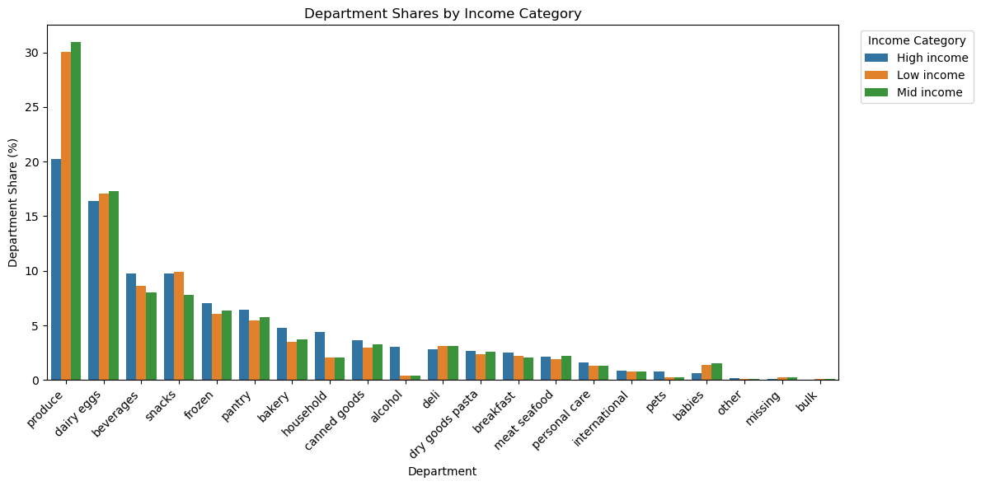
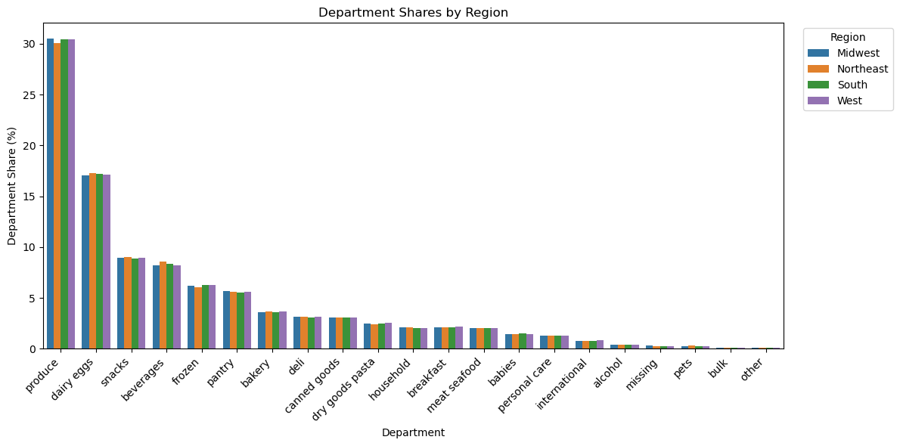
Visualisations
Part 1: General information on the data

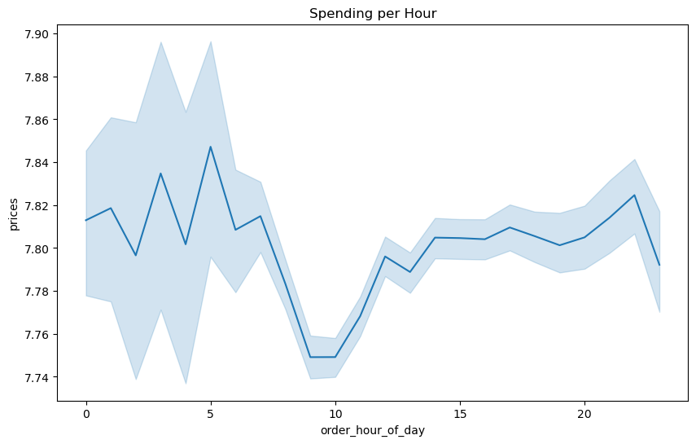
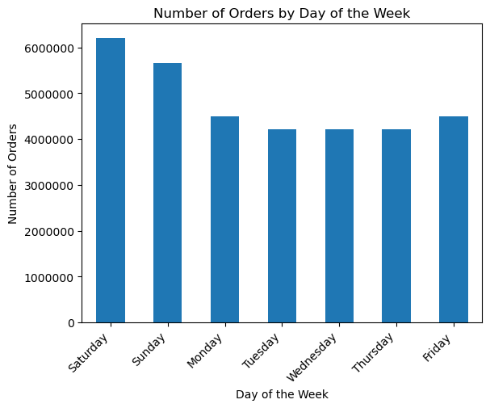

 |  |  |  | Spending per hour The chart shows that customers tend to spend the most money early in the morning and late in the evening, with a noticeable dip in spending during the late morning hours around 9-10 AM. Spending stabilizes in the afternoon and slightly increases again towards the end of the day, peaking around 8 PM. *blue bands: called error bands and they represent the chart's confidence intervals: meaning that if these were a prediction, there would 95% probability that the predicted value would fall within this area.
Orders amount based on the day of the week The graph represents the number of orders based on the day of the week. Saturday and Sunday have the highest order volumes, likely due to users having more free time to place orders on weekends compared to weekdays. Scheduling the ads before the weekend could be a good strategy to direct users to their purchases during the weekend. |  | 0= Saturday
 |  | 1= Sunday
 |  | 2= Monday
 |  | 3= Tuesday
 |  | 4= Wednesday
 |  | 5= Thursday
 |  | 6=Friday

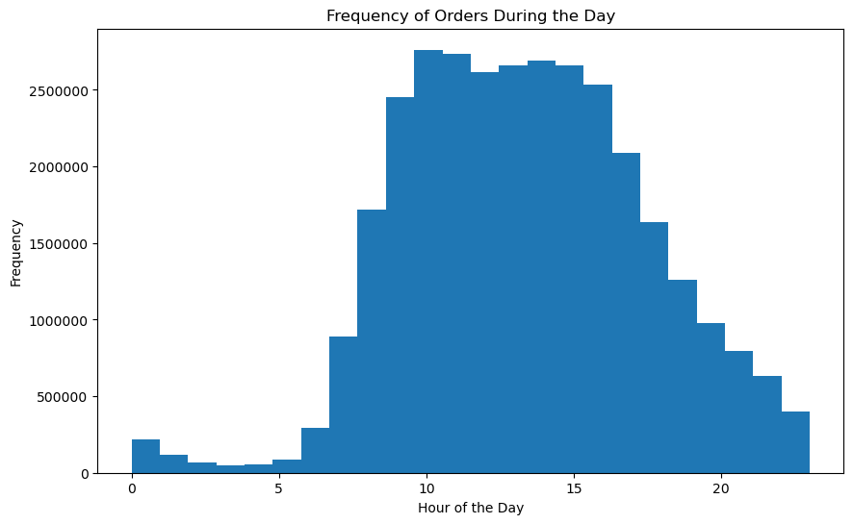
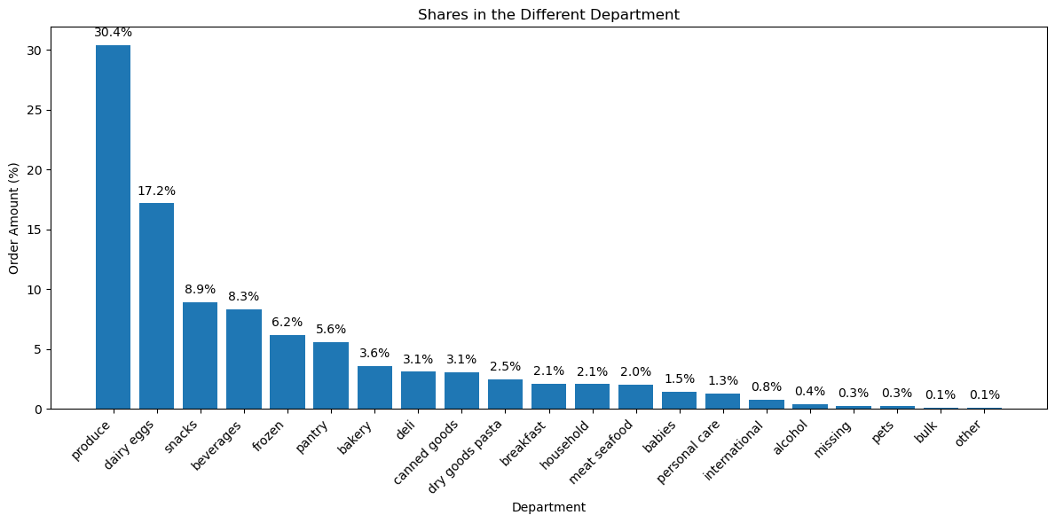
Orders frequency during the day The histogram shows us the frequency of orders during different times of the day. As we can see, there is a significant peak in the number of orders starting around 10 am until 15 pm, and the orders stay quite high until the evening. However, between 12 am and early mornings, the orders are at their lowest. So it seems that most of the customers order their product preferably during day time, mainly between 10 am and 15pm.

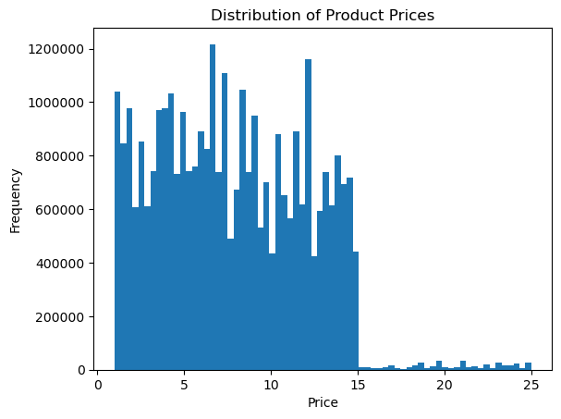

Prices frequency distribution The histogram shows that most products have prices under $15. A category for the price range has been created, grouping low-range, mid-range, and high-range products.

 |  |  | Shares in the different department The graph shows that the departments with the highest order amounts are produce, dairy and eggs, snacks, and beverages. Directing marketing efforts towards the departments with less than 5% market share could make a significant difference.

Part 2: Customer profiling

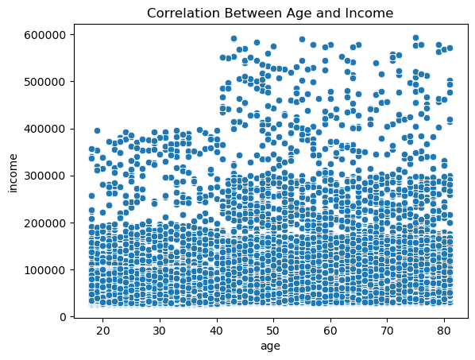
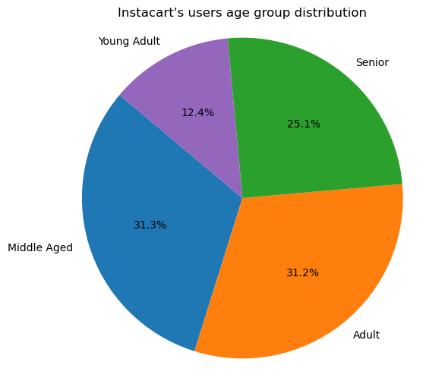
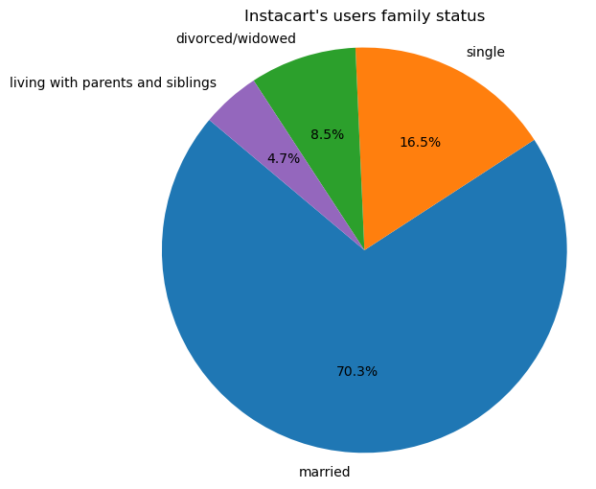
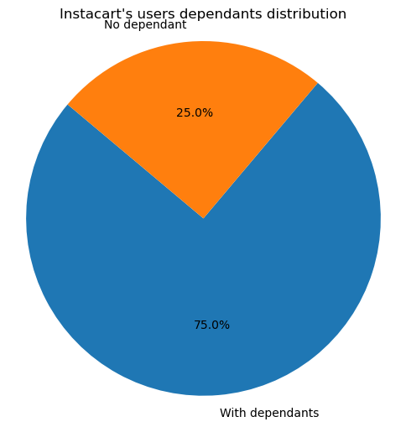

 |  |  |  |  |  |  | Income level related to the age of users The chart shows that people over 40 tend to earn more than 400K per year. By targeting this group, Instacart could significantly make higher profit as this group has more buying power. However, we can see that the majority of the population earns 200K and less per year. So having a marketing campaign that would efficiently send offer and discount might also be beneficial for Instacart.

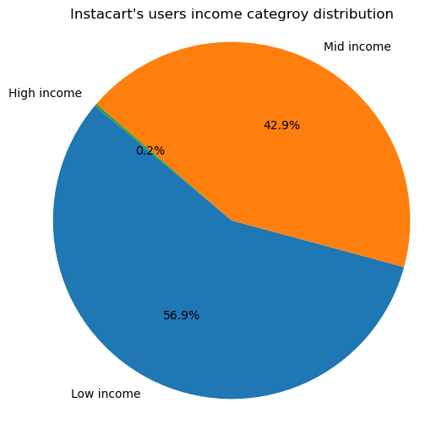
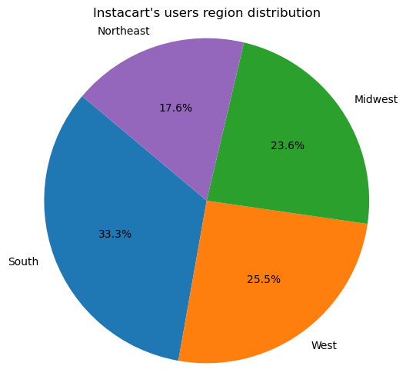
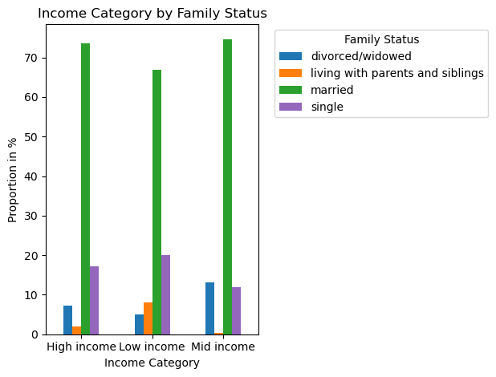

 |  |  |  |  | Instacart's customers profiling The pie charts show the profile of the company's customers based on their orders. Middle-aged and adult customers represent the largest share based on age group. Most of the customers are married with dependents, meaning they have more people in their households. Customers with mid or low income represent the largest group. Finally, most of the customers are located in the South, which could be explained by the fact that this region has the largest states. Also, when looking at the family status per income category, married couples represent of course the majority in all categories.

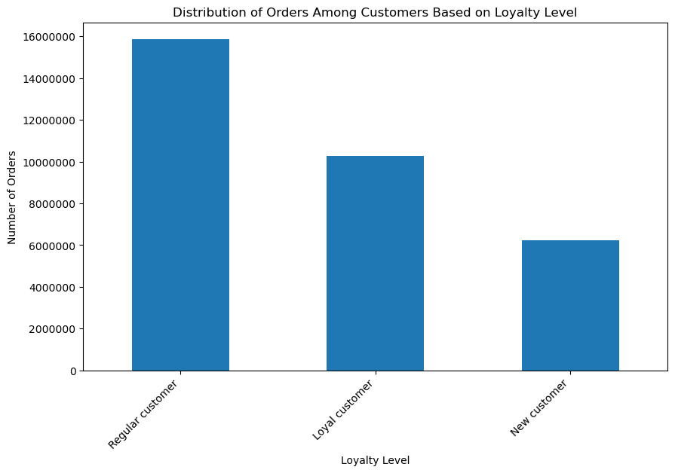
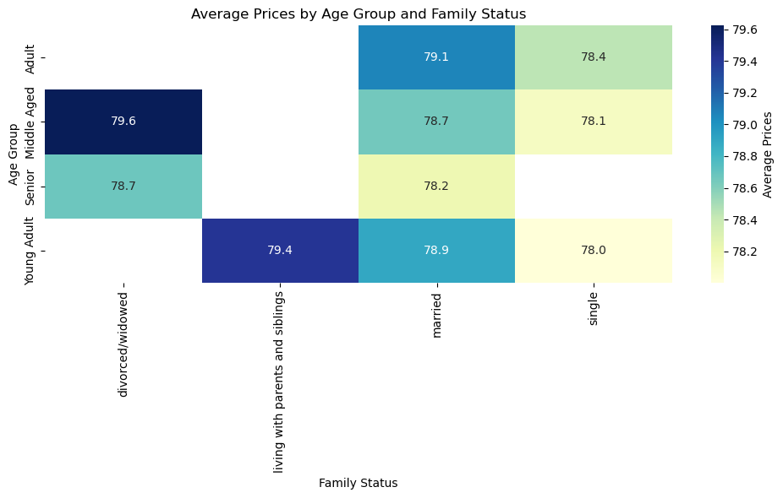

 | Ordering habits based on loyalty status The bar charts shows here that regular customer are actually the ones odering more. However this could be explain by the fact that the number of regular customer is higher than the number of loyal customer, which increase significantly their weight in the orders amount that this group generate. |  |  |  |  | Average Prices by Age Group and Family Status On average, divorced/widowed middle age users are the ones buying more, followed young adult living with parents and siblings and married adult.

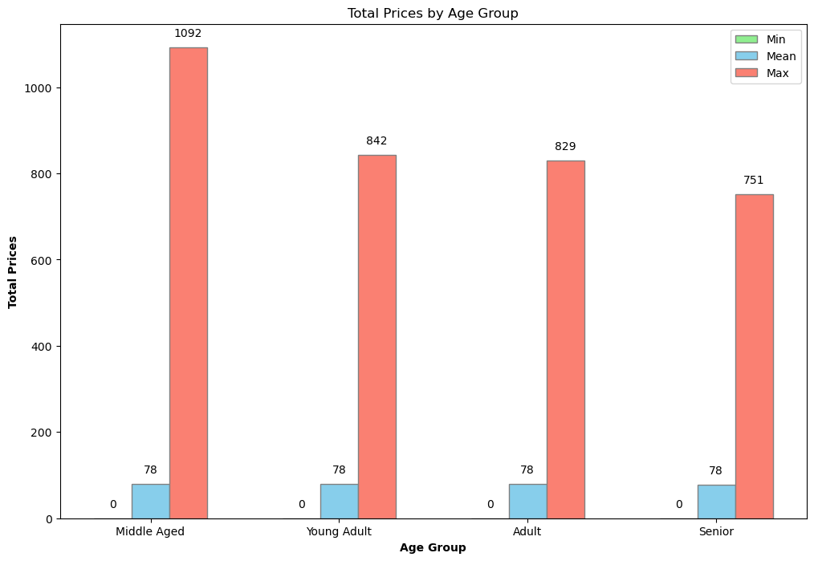
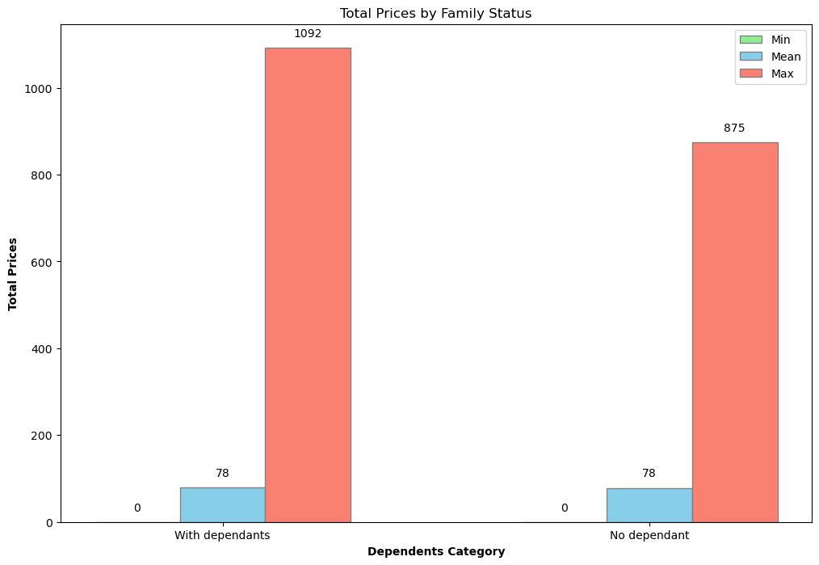

 |  |  |  | Descriptive statistics based on customers profiling When examining the frequency and expenditure based on income category groups, high-income earners on average place fewer orders and incur lower total expenses compared to other groups. This can be attributed to the fact that users in the high-income category constitute the smallest group (0.2% of Instacart's users). Married customers are the ones with the highest number of orders and also account for the highest expenses.

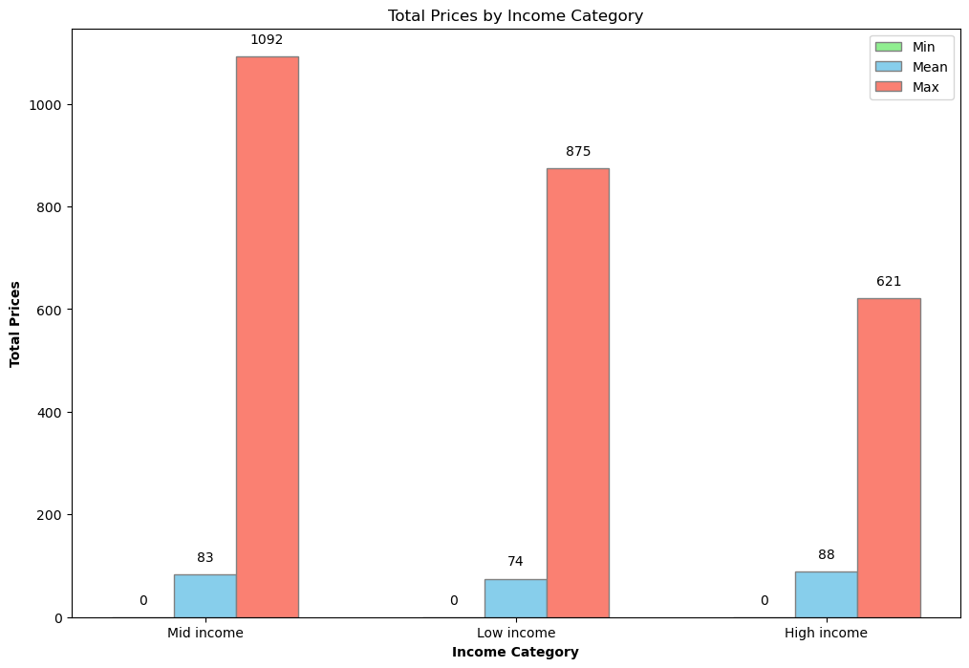

Part 3: Customers profiling by departments


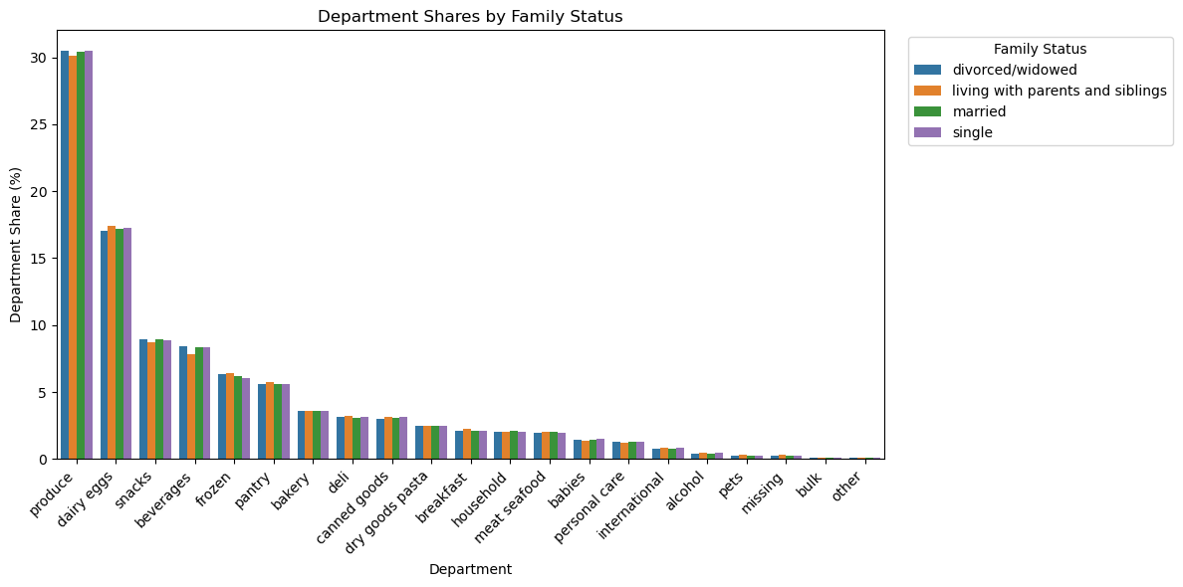

 |  |  |  |  |  |  |  | Customers profiling by departments The shares of orders per department remain quite similar across different age groups, family statuses, incomes, and regions. However, when looking at the income category, high-income households tend to spend more on alcohol and beverages, likely because these products are among the priciest.

7. Recommendations
 |  |  |  |  | Title page

Recommendations

Click on the visuals to see them in their original format.

Question | Answer
Key Question 1: The sales team needs to know what the busiest days of the week and hours of the day are (i.e., the days and times with the most orders) in order to schedule ads at times when there are fewer orders. | To optimize ad scheduling, it's important to consider the busiest days and times for orders. The graph shows that Saturdays and Sundays have the highest order volumes, likely due to users having more free time on weekends. The histogram indicates a significant peak in orders between 10 AM and 3 PM, with consistently high orders extending into the evening. Conversely, the early morning hours between 12 AM and early morning see the fewest orders. Therefore, scheduling ads during the early morning hours and on weekdays before the weekend could effectively direct users to make purchases during peak ordering times (see visualizations tab). |  |  | 

Key Question 2: They also want to know whether there are particular times of the day when people spend the most money, as this might inform the type of products they advertise at these times. | When looking at the chart of spending per hour, it shows that customers tend to spend the most money early in the morning and late in the evening, with a noticeable dip in spending during the late morning hours around 9-10 AM. Spending stabilizes in the afternoon and slightly increases again towards the end of the day, peaking around 8 PM. WIth this information in mind, it is advised to advertise higher-priced products early in the morning and late in the evening when customers are more likely to spend more money. | 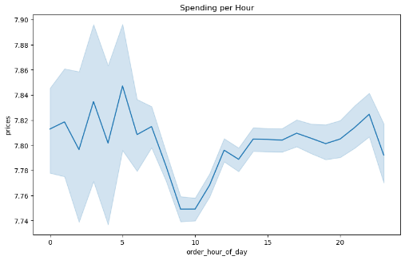

Key Question 3: Instacart has a lot of products with different price tags. Marketing and sales want to use simpler price range groupings to help direct their efforts. | During the analysis, a new column was created to categorize the products into three different price ranges: Low-range: products priced at $5 or less Mid-range: products priced between $5 and $15 High-range: products priced above $15

Key Question 4: Are there certain types of products that are more popular than others? The marketing and sales teams want to know which departments have the highest frequency of product orders. | The graph shows that the departments with the highest order amounts are produce, dairy and eggs, snacks, and beverages. Directing marketing efforts towards the departments with less than 5% market share could make a significant difference. | 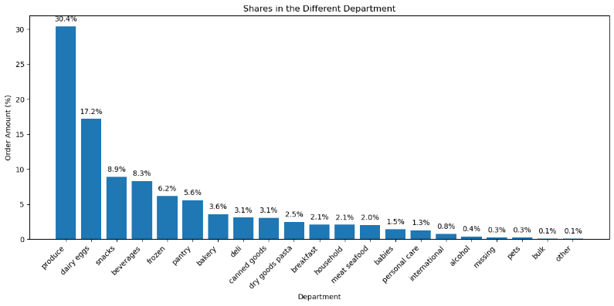

Key Question 5: What’s the distribution among users in regards to their brand loyalty (i.e., how often do they return to Instacart)"? Are there differences in ordering habits based on a customer's loyalty status? | The bar charts shows here that regular customer are actually the ones odering more. However this could be explain by the fact that the number of regular customer is higher than the number of loyal customer, which increase significantly their weight in the orders amount that this group generate. | 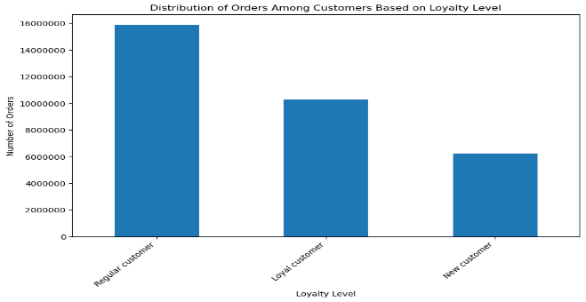


Key Question 6: Are there differences in ordering habits based on a customer's region? |  There are some differences in ordering habits based on a customer's region. Most of the customers are located in the South, likely due to this region having the largest states. Despite this, the share of orders per region is quite similar across all four regions. However, there is a slight difference in the Northeast region, where customers tend to buy more beverages compared to other regions. (See visualizations Instacart's customer distribution per region and department share per region).

Key Question 8: What different classifications does the demographic information suggest"? | Overall, the different classifications of customers suggest that some categories (depending on age, region, family status, income, and number of dependents) have a significant impact on the ordering habits of Instacart's customers. Since married couples represent the largest group with the highest income and a greater number of dependents, it could be beneficial to analyze other groups in more depth. Creating personas for these groups can help in directing better ads and encouraging spending in other categories that could be important to them. |  | Click to see visualization on customer's profiling and descriptive statistics in the visualization sheet


Key Question 9: Is there a connection between age and family status in terms of ordering habits? | On average, divorced/widowed middle age users are the ones spending the most, followed by young adult living with parents and siblings and married adult.

Key Question 10: What differences can you find in ordering habits of different customer profiles? consider the price of orders, frequency of orders, products customers are ordering, and anything else you can think of. | When examining the ordering habits of different customer profiles, we find several notable differences. In general, ordering habits across different departments are quite similar, as they mostly consist of essential grocery products, which are needed by all customer categories. However, significant differences emerge when looking at income categories. High earners, who form a smaller group, tend to spend less overall. To increase their share, Instacart could offer a greater variety of high-range products. This strategy should be balanced by providing promotions to other income groups when setting up ads. For increasing orders in the bulk product category for example, targeting ads at adults or middle-aged adults who are married with dependents could be effective. Lastly, offering incentives such as loyalty points or bonuses could encourage customers to return more frequently, fostering customer loyalty. |  | See visualizations sheet

